Networks
Local node No. | Node type | Electrical power (MW) |  | Local node No. | Node type | Heat power (MW) |  | Local node No. | Node type | Nodal gas load (MW)
1 | 1 | 0.121 | -0.58066666667 | 1 | 1 | 0.52 | -0.52 | 1 | 1 | 0 | 329.67032967
2 | 1 | 0.246 | -0.246 | 2 | 1 | 0.363 | -0.363 | 2 | 1 | 0 | 3.5198380567
3 | 1 | 0.055 | -0.055 | 3 | 1 | 0.32 | -0.32 | 3 | 1 | 0 | 21.376518219
4 | 1 | 0.089 | -0.089 | 4 | 1 | 0.258 | -0.258 | 4 | 1 | 0 | 45.085020243
5 | 1 | 0.065 | -0.065 | 5 | 1 | 0.201 | -0.201 | 5 | 1 | 0 | 21.95951417
6 | 1 | 0.097 | -0.097 | 6 | 1 | 0.002 | -0.002 | 6 | 1 | 0 | 0
7 | 1 | 0.086 | -0.086 | 7 | 1 | 0.542 | -0.542 | 7 | 1 | 0 | 0
8 | 1 | 0.265 | -0.265 | 8 | 1 | 0.194 | -0.194 | 8 | 1 | 0 | 0
9 | 1 | 0.036 | 0.0404 | 9 | 1 | 0.061 | -0.061 | 9 | 1 | 0 | 0
10 | 1 | 0.05 | -0.05 | 10 | 1 | 0.201 | -0.201 | 10 | 1 | 0 | 0
11 | 1 | 0.11 | -0.11 | 11 | 1 | 0.33 | -0.33 | 11 | 1 | 0 | 0
12 | 1 | 0.031 | 1.3792666667 | 12 | 1 | 0.034 | -0.034 | 12 | 1 | 0 | 42.603550296
13 | 2 | 0 | 0.99 | 13 | 1 | 0.061 | -0.061 | 13 | 1 | 0 | 648.14201183
14 | 2 | 0 | 1.716 | 14 | 1 | 0.725 | -0.725 | 14 | 1 | 0 | 27.124260355
15 | 3 | 0 |  | 15 | 1 | 0.036 | -0.036 | 15 | 1 | 0 | 571.42857143
 |  |  |  | 16 | 1 | 0.036 | -0.036 | 16 | 0 | 0 | 0
 |  |  |  | 17 | 1 | 0.602 | -0.602 | 17 | 0 | 0 | 0
 |  |  |  | 18 | 1 | 0.209 | -0.209 | 18 | 0 | 0 | 0
Electrical network data
 |  |  |  | 19 | 1 | 0.191 | -0.191 | 19 | 0 | 0 | 0
 |  |  |  | 20 | 1 | 0.743 | -0.743 | 20 | 0 | 0 | 0
 |  |  |  | 21 | 0 | 0 | 0 | 21 | 0 | 0 | 0
 |  |  |  | 22 | 0 | 0 | 0 | 22 | 0 | 0 | 0
 |  |  |  | 23 | 0 | 0 | 0 | 23 | 0 | 0 | 0
Node type:
0 – No load or source,
1 – PQ busbar,
2 – PV busbar,
3 – slack busbar
 |  |  |  | 24 | 0 | 0 | 0 | 24 | 0 | 0 | 0
 |  |  |  | 25 | 0 | 0 | 0 | 25 | 0 | 0 | 0
 |  |  |  | 26 | 0 | 0 | 0 | 26 | 0 | 0 | 0
 |  |  |  | 27 | 0 | 0 | 0 | 27 | 0 | 0 | 0
 |  |  |  | 28 | 0 | 0 | 0 | 28 | 0 | 0 | 0
 |  |  |  | 29 | 0 | 0 | 0 | 29 | 0 | 0 | 0
 |  |  |  | 30 | 0 | 0 | 0 | 30 | 0 | 0 | 0
 |  |  |  | 31 | 0 | 0 | 0 | 31 | 0 | 0 | 0
 |  |  |  | 32 | 0 | 0 | 0 | 32 | 0 | 0 | 0
 |  |  |  | 33 | 0 | 0 | 0 | 33 | 0 | 0 | 0
 |  |  |  | 34 | 0 | 0 | 0 | 34 | 0 | 0 | 0
 |  |  |  | 35 | 2 | 0 | 2.6 | 35 | 0 | 0 | 0
 |  |  |  | 36 | 3 | 0 | 1.5 | 36 | 0 | 0 | 0
 |  |  |  |  |  |  |  | 37 | 3 | 0

Heat network data
Gas network data

Node type:
0 – No injection or discharge,
1 –gas discharge,
2 –gas injection
3 –gas injection (slack node)
Node type:
0 – No load or source,
1 – load,
2 – source,
3 – slack node

Conversion components
Conversion component types:
1 – gas-fired generator
2 – gas-fired CHP
20 – micro-CHP
22 – extraction steam turbine CHP
3 – non-gas-fired CHP
30 – micro-CHP
32 – extraction steam turbine CHP
4 – large gas boiler
40 – local gas boiler
5 – large heat pump
50 – local heat pump
6 – large electric heater
60 – local electric heater
7 – electrolyser
80 – local electric chiller
90 – local absorption chiller
100 – local gas engine chiller
Parameters:
thermal efficiency and heat-to-power ratio for CHP
efficiencies for all other kinds of conversion components
Heating/Cooling indicator:
Default 0: heating load in general or space heating
1: hot water heating load
2: cooling
Local node No. | No. in elec. network | No. in heat network | No. in gas network | Component type | Efficiency | Heat-to-power ratio for CHP | Input (MW) | Output (MW) | power | heat | gas
1 | 13 | 36 | 1 | 2 | 0.42 | 1.52 | 0 | 1.5 | 0.99 | 1.50 | 0.091575091575
2 | 0 | 0 | 2 | 40 | 0.95 | 0.00 | 0 | 0.036225 | 0 | 0.036225 | 0.00097773279352
3 | 0 | 0 | 3 | 40 | 0.95 | 0.00 | 0 | 0.22 | 0 | 0.22 | 0.0059379217274
4 | 0 | 0 | 4 | 40 | 0.95 | 0.00 | 0 | 0.464 | 0 | 0.464 | 0.012523616734
5 | 0 | 0 | 5 | 40 | 0.95 | 0.00 | 0 | 0.226 | 0 | 0.226 | 0.0060998650472
6 | 1 | 0 | 0 | 50 | 3 | 0.00 | 0 | 0.283 | -0.094333333333 | 0.283 | 0
7 | 1 | 0 | 0 | 50 | 3 | 0.00 | 0 | 0.296 | -0.098666666667 | 0.296 | 0
8 | 1 | 0 | 0 | 50 | 3 | 0.00 | 0 | 0.8 | -0.26666666667 | 0.8 | 0
9 | 12 | 0 | 0 | 50 | 3 | 0.00 | 0 | 0.867 | -0.289 | 0.867 | 0
10 | 12 | 0 | 0 | 50 | 3 | 0.00 | 0 | 0.362 | -0.12066666667 | 0.362 | 0
11 | 12 | 0 | 0 | 50 | 3 | 0.00 | 0 | 0.377 | -0.12566666667 | 0.377 | 0
12 | 12 | 0 | 12 | 20 | 0.65 | 2.50 | 0 | 0.3 | 0.12 | 0.3 | 0.011834319527
13 | 12 | 0 | 13 | 20 | 0.65 | 2.50 | 0 | 4.564 | 1.8256 | 4.564 | 0.18003944773
14 | 9 | 0 | 14 | 20 | 0.65 | 2.50 | 0 | 0.191 | 0.0764 | 0.191 | 0.0075345167653
15 | 14 | 35 | 15 | 2 | 0.42 | 1.52 | 0 | 2.6 | 1.716 | 2.60 | 0.15873015873

1. scenario 2 (district CHP + local heat pumps) is used to illustrate the process of building the model and the simulation results
2. Local gas boilers in the gas network were replaced by local heat pumps, so these local heat pumps were neither linked to the gas network nor to the heat network.

Schematics
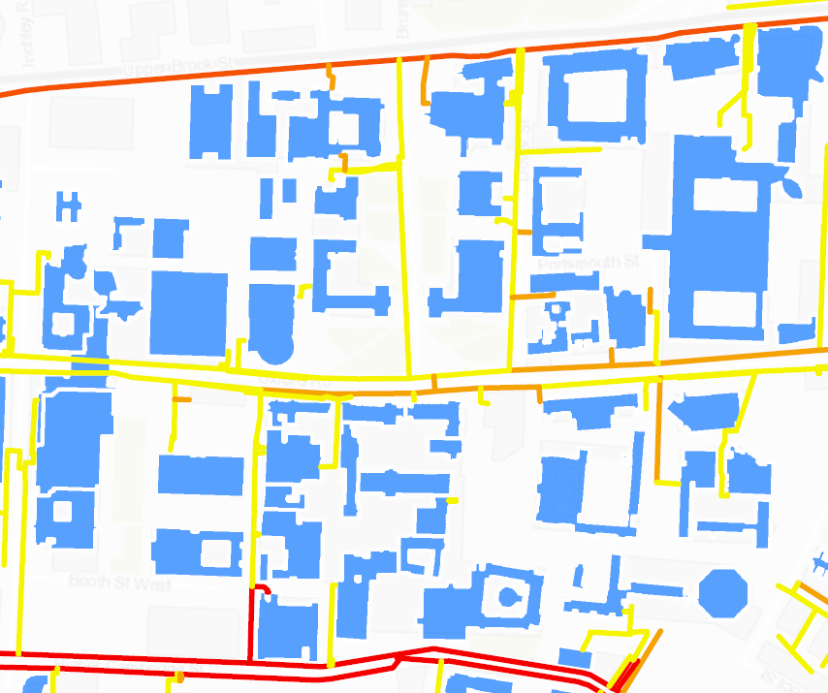
1
2
3
15
4
5
6
7
8
9
10
11
12
14
13
21
20
19
17
16
24
23
26
27
30
31
32
33
34
36
35
37
Gas connection
240m
220m
320m
260m
160m
180m
110m
20m
150m
130m
40m
40m
40m
40m
110m
200m
90m
80m
20m
90m
30m
60m
90m
22
18
25
29
28
200m
90m
100m
374.3
131.7
269.9
184.0
42.6
130.2
189.1
280.4
316.0
92.8
226.2
178.7
352.0
142.9
157.8
174.2
376.5
45.7
223.6
342.5
420.6
15.4
86.1
86.6
276.1
481.6
189.3
278.1
1
2
3
4
5
6
7
8
9
10
11
12
13

Figure: Schematic diagram of the gas network |  | Figure: Schematic diagram of the electric power distribution network of the case study

1
2
3
4
5
6
8
7
9
10
11
12
13
14
15
16
17
18
19
20

 | Figure: Schematic diagram of the heat network of the case study

